data to plot
x | next_x | node | next_node | value
0 | 1 | Cultivated fields | Other oilseeds | 21290
0 | 1 | Cultivated fields | Vegetables | 37920
0 | 1 | Cultivated fields | Fruits | 64450
0 | 1 | Cultivated fields | Sugarbeets | 56130
0 | 1 | Cultivated fields | Soybeans | 130460
0 | 1 | Cultivated fields | Grains | 611340
0 | 1 | Storage | Stored grains & soybeans | 153000
1 | 2 | Other oilseeds | Available crops | 21290
1 | 2 | Vegetables | Available crops | 37920
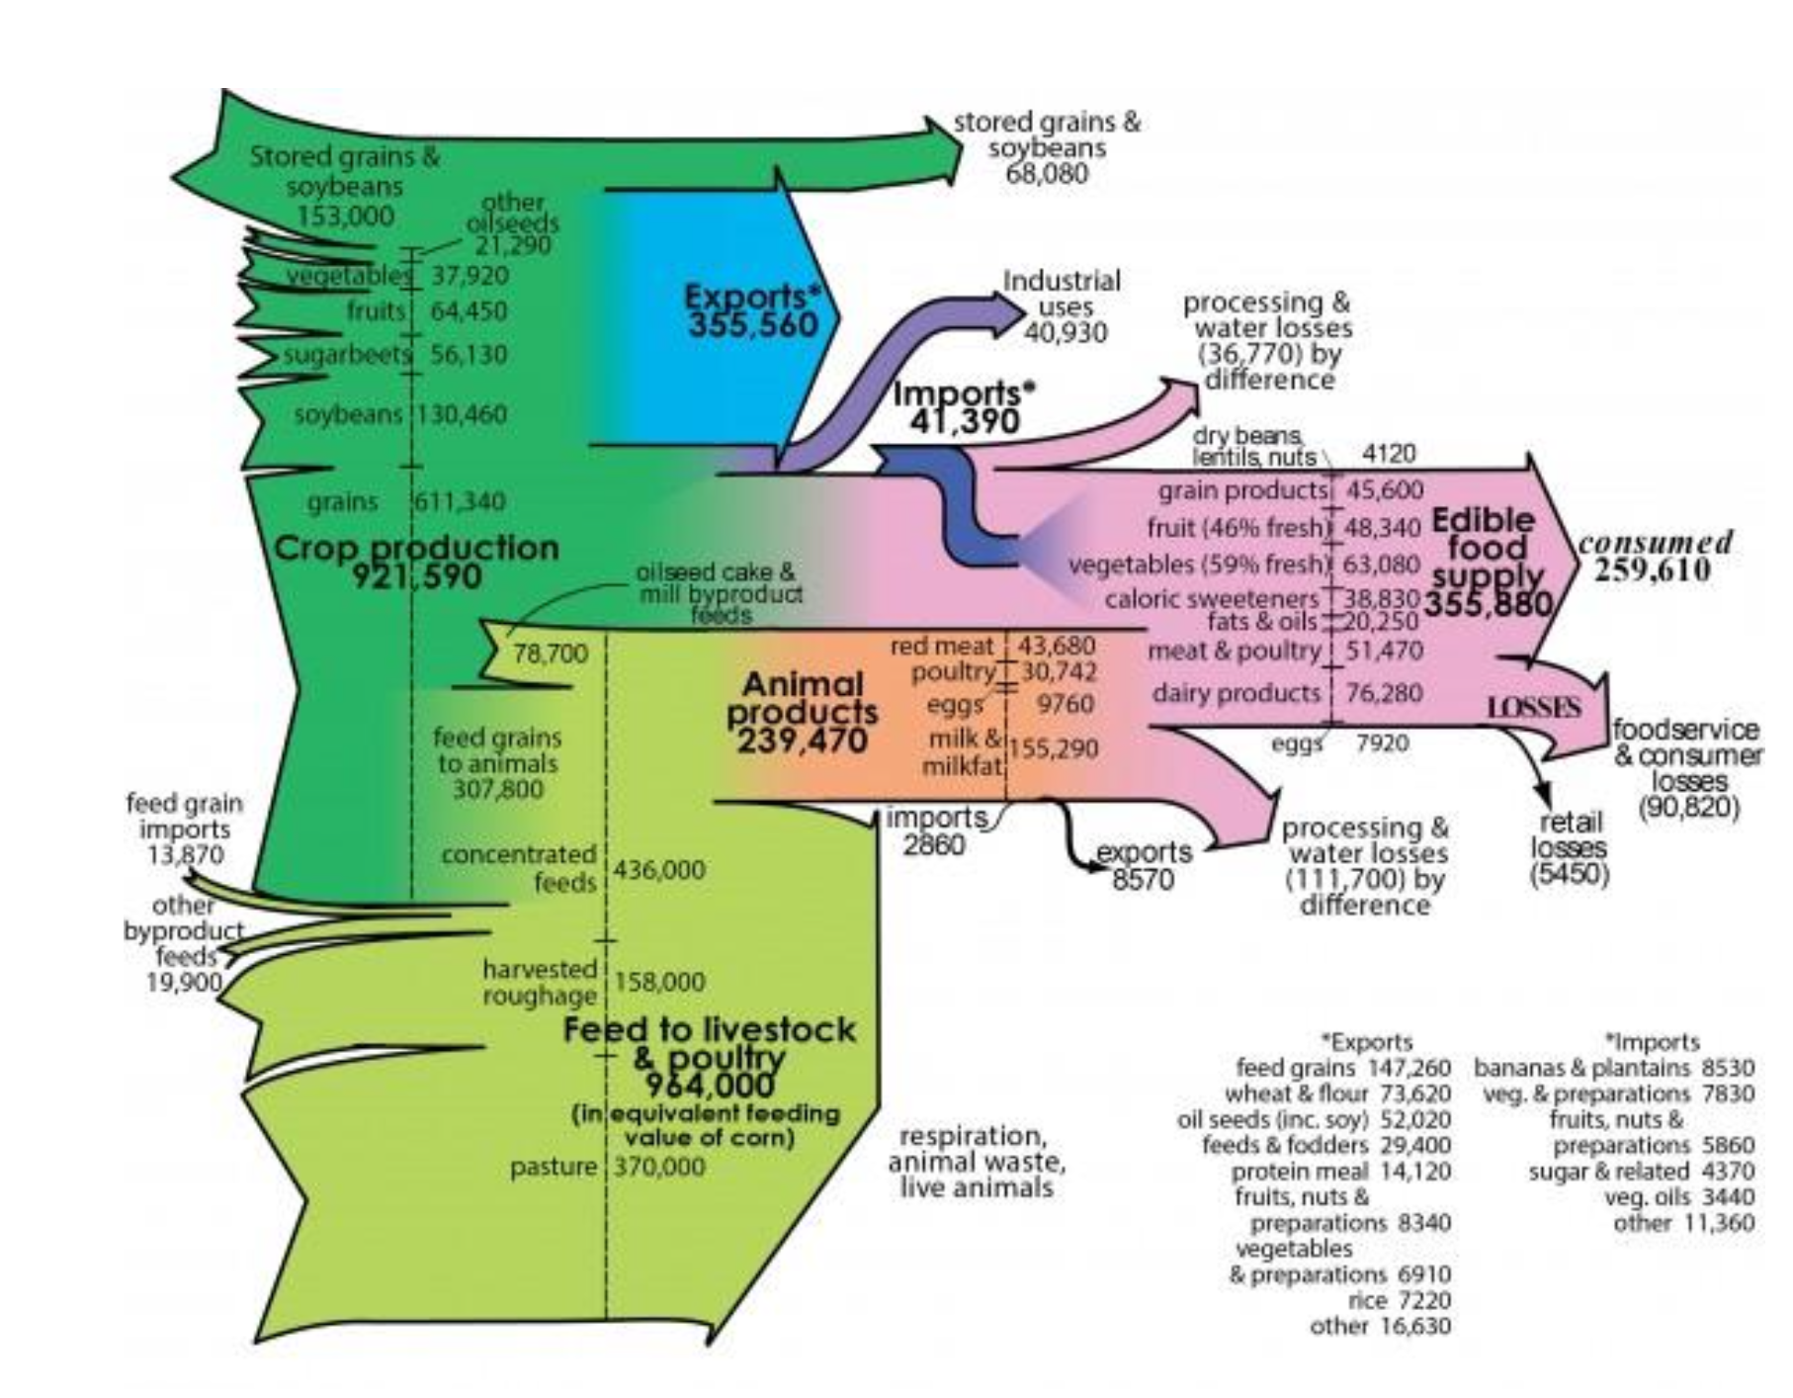
1 | 2 | Fruits | Available crops | 64450
1 | 2 | Sugarbeets | Available crops | 56130
1 | 2 | Soybeans | Available crops | 130460
1 | 2 | Grains | Available crops | 611340
1 | 2 | Stored grains & soybeans | Available crops | 153000
2 | 3 | Available crops | Stored grains & soybeans | 68080
2 | 3 | Available crops | NA | 1006510
3 | 4 | Stored grains & soybeans | Storage | 68080
4 | 5 | Storage | NA | 68080

